Catalog_By_Template
 |  | 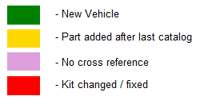 WPS HARLEY DAVIDSON ELECTRICAL - GENERATORS

Type | Make | CC | Model | Years | Generator Black
ST | Harley | 74cc | FL Duo Glide | 1959 - 1964 | 280-2001
ST | Harley | 74cc | FLH Electra Glide | 1966 - 1969 | 280-2001
ST | Harley | 883cc | XL | 1957 - 1984 | 280-2001
ST | Harley | 1000cc | XL | 1972 - 1984 | 280-2001
ST | Harley | 1000cc | XLCH 1000 | 1979 - 1980 | 280-2001
ST | Harley | 1000cc | XLH 1000 | 1979 - 1980 | 280-2001
ST | Harley | 1000cc | XLS Roadster | 1979 - 1980 | 280-2001

